Sheet1
Project Name | Note Master |  | 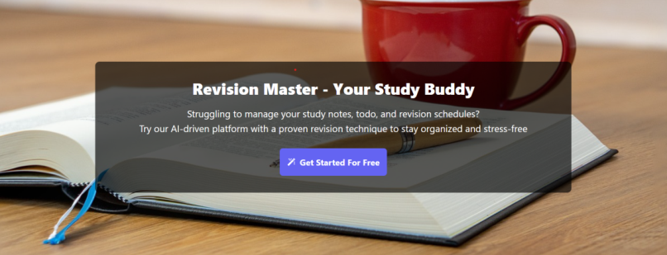
Project Executed by | Shubham Giri
Project Executed Date | 2025-04-02

Test Scennario Template
Module | Requirement | Test Scenario id | Test Scennario Description
SignIn |  | TS_001 | Verify user should able to register with valid and invalid credentials

 | Optional

Homepage |  | TS_002 | Verify user should able to with checking the NoteMaster module working or not

 |  | TS_003 | Verify user should able to with checking the try for now working or not

 |  | TS_04 | Verify user should able to with checking the get started for free working or not

Login |  | TS_05 | Verify user should able to Login with valid and invalid credentials

User |  | TS_06 | Verify user should able to with checking the user view working or not

UI/UX Testing |  | Ts_07 | Verify user should able to with checking the UI/UX Testing

Note Master |  | Ts_08 | Verify user should able to with checking the Note Master working or not

Footer link |  | Ts_09 | Verify user should able to with checking the Footer link working or not

Logout |  | Ts_10 | Verifying if the user can check logout process.

